Sheet1
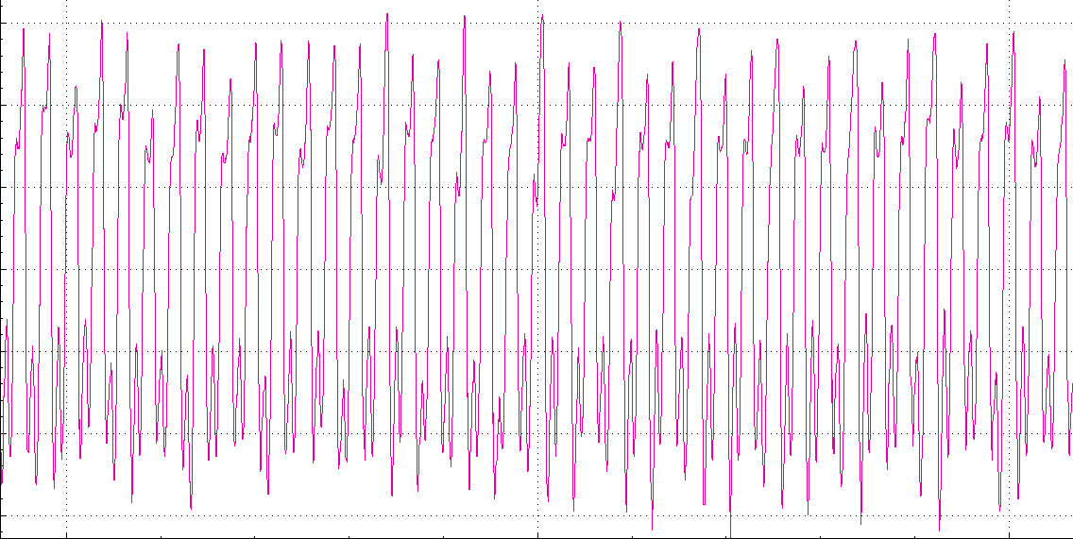
Breaker/ Post Driver Test Report

Date: |  |  | Article Number:
Employee Code: |  |  | Description:
 |  |  | Serial Number:

 | Min | Max | Actual
Temperature (0C)
Pressure (Bar)
Flow (LPM)
BPM

Result
Rejection code (If NOK)
Graph

